Sheet2
byte | decimal | swr
0 | 0.00 | 1.00
48 | 72.00 | 1.50
80 | 128.00 | 2.00
120 | 288.00 | 3.00

 |  | Gap
 |  | 1

 |  | 1 | 1.1

Sheet3
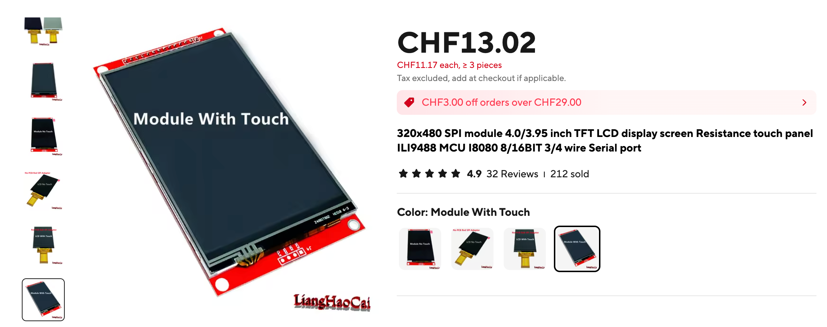
 |  | 1.0 |  | 1.1 |  | 1.2 |  | 1.3 |  | 1.4 |  | 1.5 |  | 1.6 |  | 1.7 |  | 1.8 |  | 1.9 |  | 2 |  | 2.1 |  | 2.2 |  | 2.3 |  | 2.4 |  | 2.5 |  | 2.6 |  | 2.7 |  | 2.8 |  | 2.9 |  | 3 |  | 3.1 |  | 3.2 |  | 3.3 |  | 3.4 |  | 3.5

bar | 14 | 14.0 |  | 14.0 |  | 14.0 |  | 14.0 |  | 14.0 |  | 14.0 |  | 14.0 |  | 14.0 |  | 14.0 |  | 14.0 |  | 14.0 |  | 14.0 |  | 14.0 |  | 14.0 |  | 14.0 |  | 14.0 |  | 14.0 |  | 14.0 |  | 14.0 |  | 14.0 |  | 14.0 |  | 14.0 |  | 14.0 |  | 14.0 |  | 14.0 |  | 14.0 | 364.0
gap | 1 |  | 1 |  | 1 |  | 1 |  | 1 |  | 1 |  | 1 |  | 1 |  | 1 |  | 1 |  | 1 |  | 1 |  | 1 |  | 1 |  | 1 |  | 1 |  | 1 |  | 1 |  | 1 |  | 1 |  | 1 |  | 1 |  | 1 |  | 1 |  | 1 |  | 1 |  | 25.0
 |  |  |  |  |  |  |  |  |  |  |  |  |  |  |  |  |  |  |  |  |  |  |  |  |  |  |  |  |  |  |  |  |  |  |  |  |  |  |  |  |  |  |  |  |  |  |  |  |  |  |  |  | 389.0

